MERAKI LocationMap
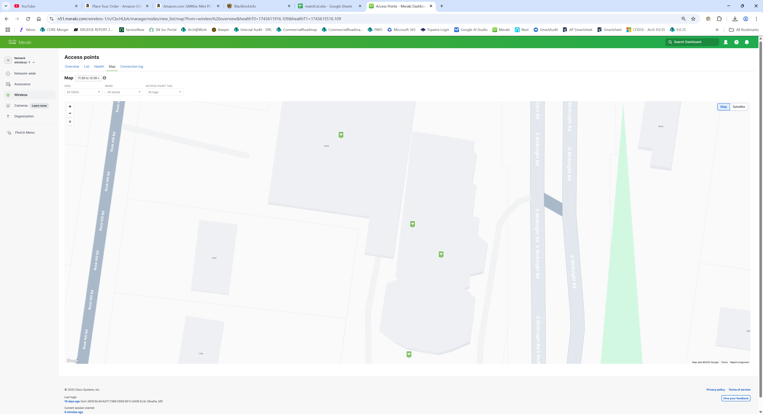
 | .
.

Unifi 6 Pro cost
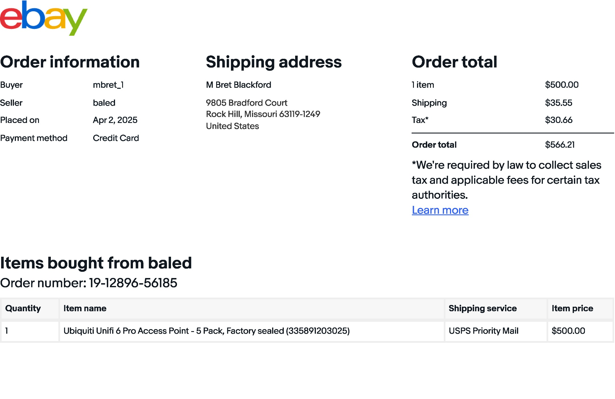
. |  |  |  |  |  |  | .

 | # | Item | $/unit | shipping | tax | Total
 | 5 | Unifi 6 Pro | $100.00 | $35.55 | $30.66 | $566.21

Meraki License 1-year
 | Quote: | QN56930
 | Total: | $444.53
. | Term: | 1-year
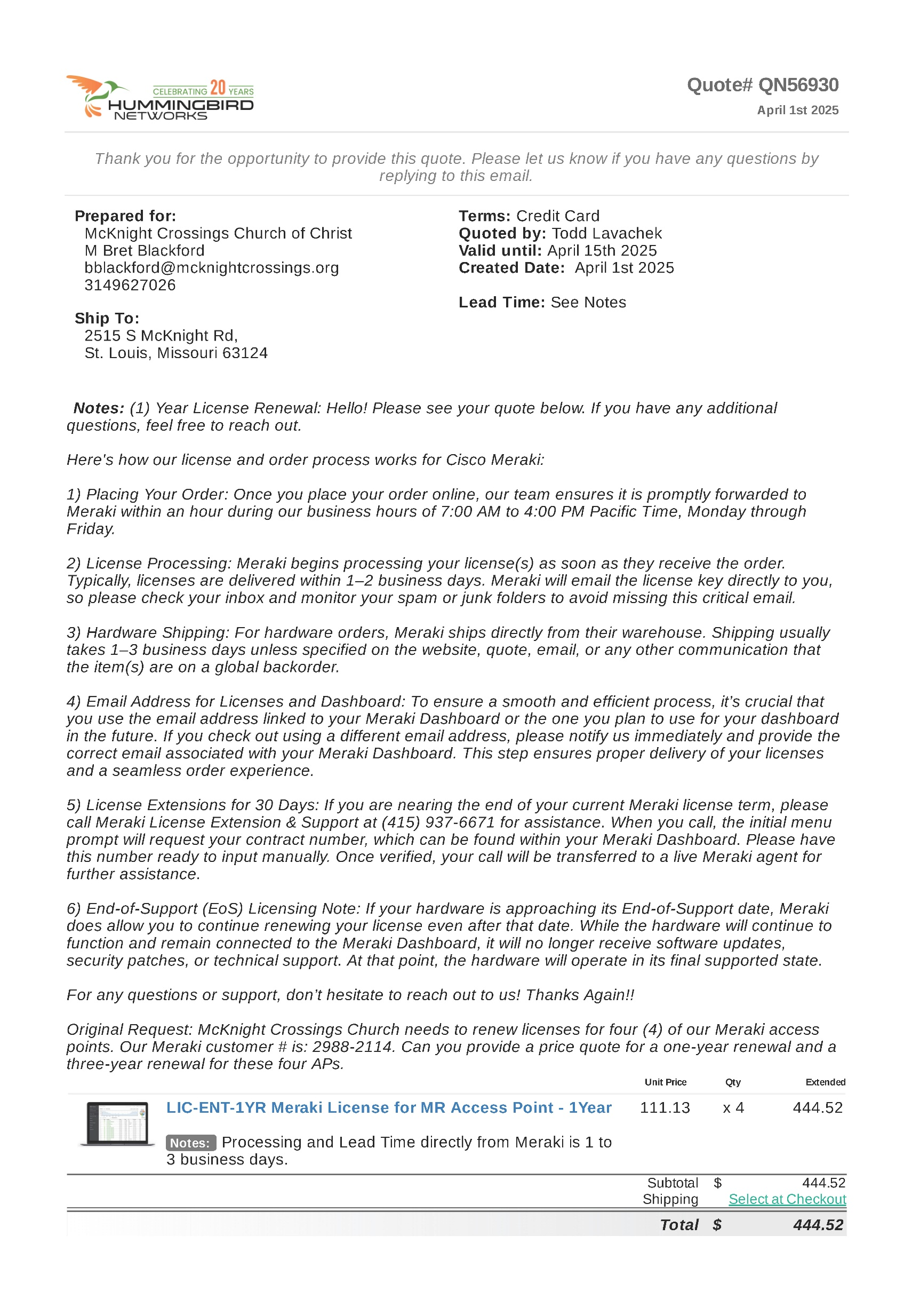

Unifi U6
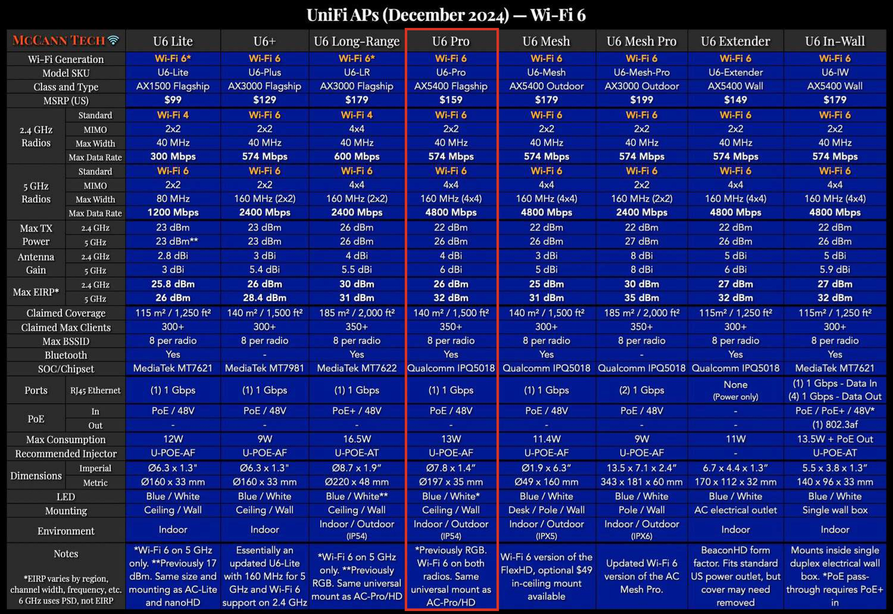
. | .

Unifi U7

  

